Probe Placement
Tank Capacity & Probe Construction Calculations
Model # | CG50T08AYV01 |  | Date: | 2024-07-23
Serial # | DZ600086C
Lab ID # | 24WS1700
Tank Capacity
Gross | 575.5 | Lbs | Water Temp. | 63.3 | Deg. F
Tare | 159.3 | Lbs | Specific Water Wt. | 8.3375 | Lbs/Gal
Net Weight | 416.2 | Lbs | Actual Capacity | 49.92 | Gal.
1/12 volume | 48.0
T.C. Rod Cal. |  |  | T.C. Zones 1 - 6
Tank Height (H) | 46.13 | Inches | 1 | 42.21 | Inches
X = 1/12 water | 3.50 | Inches | 2 | 34.39 | Inches
2X | 7.00 | Inches | 3 | 26.56 | Inches
H - 2X | 39.13 | Inches | 4 | 18.74 | Inches
(H - 2X)/5 | 7.83 | Inches | 5 | 10.91 | Inches
Min. Rod Length (H-X) | 42.63 | Inches | (Zone 6 is X value) 6 | 3.50 | Inches

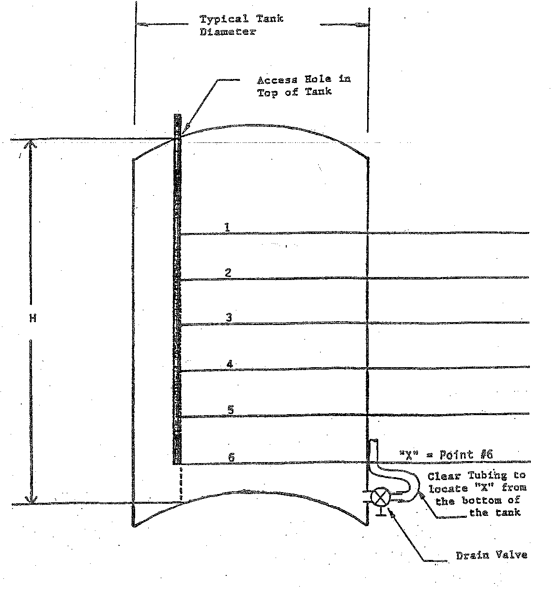

42.21

34.39

26.56
46.13

18.74

10.91

3.50

